Crop Budget (Main)
Crop Budget Estimator

Drop Down Menu ---> | Select Crop |  |  | Select Crop |  |  | Select Crop
INCOME
Gross Revenue | (Enter Below) |  |  | (Enter Below) |  |  | (Enter Below)
Cash Price | $- |  |  | $- |  |  | $-
Expected Yield | 0 | Unit | (tons, cwt, etc.) | 0 | Unit | (tons, cwt, etc.) | 0 | Unit | (tons, cwt, etc.)
Acres | 100 | Acres |  | 1 | Acres |  | 1 | Acres

Government Payments | $- |  |  | $- |  |  | $-
Crop Insurance Indemnity Payments | $- |  |  | $- |  |  | $-

Total Gross Revenue | Per Acre |  | Total Acres | Per Acre |  | Total Acres | Per Acre |  | Total Acres
 | $0.00 |  | $0.00 | $0.00 |  | $0.00 | $0.00 |  | $0.00

EXPENSE
Variable Costs | Per Acre |  | Total Acres | Per Acre |  | Total Acres | Per Acre |  | Total Acres
Seed | $- | $0.00 | $- | $- | $0.00 | $- | $- | $0.00 | $-
Fertilizer | $- | $0.00 | $- | $- | $0.00 | $- | $- | $0.00 | $-
Crop Chemicals |  | $0.00 |  |  | $0.00 |  |  | $0.00
Herbicides | $- | $0.00 | $- | $- | $0.00 | $- | $- | $0.00 | $-
Fungicides | $- | $0.00 | $- | $- | $0.00 | $- | $- | $0.00 | $-
Insecticides | $- | $0.00 | $- | $- | $0.00 | $- | $- | $0.00 | $-
Crop Insurance | $- | $0.00 | $- | $- | $0.00 | $- | $- | $0.00 | $-
Crop Miscellaneous | $- | $0.00 | $- | $- | $0.00 | $- | $- | $0.00 | $-
Supplies | $- | $0.00 | $- | $- | $0.00 | $- | $- | $0.00 | $-
Gas/Fuel |  | $0.00 |  |  | $0.00 |  |  | $0.00
Equipment Fuel | $- | $0.00 | $- | $- | $0.00 | $- | $- | $0.00 | $-
Drying Propane | $- | $0.00 | $- | $- | $0.00 | $- | $- | $0.00 | $-
Repairs & Maintenance |  | $0.00 |  |  | $0.00 |  |  | $0.00
Repair, Machinery | $- | $0.00 | $- | $- | $0.00 | $- | $- | $0.00 | $-
Repair, Buildings | $- | $0.00 | $- | $- | $0.00 | $- | $- | $0.00 | $-
Custom Hire |  | $0.00 |  |  | $0.00 |  |  | $0.00
Driver & Equipment Hire | $- | $0.00 | $- | $- | $0.00 | $- | $- | $0.00 | $-
Equipment Hire | $- | $0.00 | $- | $- | $0.00 | $- | $- | $0.00 | $-
Custom Application | $- | $0.00 | $- | $- | $0.00 | $- | $- | $0.00 | $-
Freight & Trucking | $- | $0.00 | $- | $- | $0.00 | $- | $- | $0.00 | $-
Storage | $- | $0.00 | $- | $- | $0.00 | $- | $- | $0.00 | $-
Utilities | $- | $0.00 | $- | $- | $0.00 | $- | $- | $0.00 | $-
Irrigation |  | $0.00 |  |  | $0.00 |  |  | $0.00
Repairs | $- | $0.00 | $- | $- | $0.00 | $- | $- | $0.00 | $-
Fuel/Electricity | $- | $0.00 | $- | $- | $0.00 | $- | $- | $0.00 | $-
Marketing | $- | $0.00 | $- | $- | $0.00 | $- | $- | $0.00 | $-
Hired Labor |  | $0.00 |  |  | $0.00 |  |  | $0.00
Planting | $- | $0.00 | $- | $- | $0.00 | $- | $- | $0.00 | $-
Weeding | $- | $0.00 | $- | $- | $0.00 | $- | $- | $0.00 | $-
Harvest | $- | $0.00 | $- | $- | $0.00 | $- | $- | $0.00 | $-
Processing | $- | $0.00 | $- | $- | $0.00 | $- | $- | $0.00 | $-
Interest (Operating) |  | $0.00 | $- | $- | $0.00 | $- | $- | $0.00 | $-
Other | $- | $0.00 | $- | $- | $0.00 | $- | $- | $0.00 | $-
Total Variable Costs | $- |  | $- | $- |  | $- | $- |  | $-
Return Over Variable Costs | $0.00 |  | $0.00 | $0.00 |  | $0.00 | $0.00 |  | $0.00
(Gross Revenue - Variable Costs)
Fixed Costs | Per Acre |  | Total Acres | Per Acre |  | Total Acres | Per Acre |  | Total Acres
Farm Insurance | $- | $0.00 | $- | $- | $0.00 | $- | $- | $0.00 | $-
Real Estate Taxes | $- | $0.00 | $- | $- | $0.00 | $- | $- | $0.00 | $-
Land Rent | $- | $0.00 | $- | $- | $0.00 | $- | $- | $0.00 | $-
Depreciation (Economic not Taxable) | $- | $0.00 | $- | $- | $0.00 | $- | $- | $0.00 | $-
Other | $- | $0.00 | $- | $- | $0.00 | $- | $- | $0.00 | $-
Total Fixed Costs | $- |  | $- | $- |  | $- | $- |  | $-
Total Variable & Fixed Costs | $- |  | $- | $- |  | $- | $- |  | $-
Net Farm Income | $0.00 |  | $0.00 | $0.00 |  | $0.00 | $0.00 |  | $0.00
(Gross Revenue - Variable & Fixed Costs)
Cash Flow
Financing | Per Acre |  | Total Acres | Per Acre |  | Total Acres | Per Acre |  | Total Acres
Income Taxes | $- | $- | $- | $- | $0.00 | $- | $- | $0.00 | $-
Owner Withdrawal (Family Living) | $- | $- | $- | $- | $0.00 | $- | $- | $0.00 | $-
Interest (Term) | $- | $- | $- | $- | $0.00 | $- | $- | $0.00 | $-
Principal Payment | $- | $- | $- | $- | $0.00 | $- | $- | $0.00 | $-
Total Financing | $- |  | $- | $- |  | $- | $- |  | $-
Total Variable, Fixed, and Financing | $- |  | $- | $- |  | $- | $- |  | $-
Net Cash Flow | $0.00 |  | $0.00 | $0.00 |  | $0.00 | $0.00 |  | $0.00
(Net Farm Income - Financing + Depreciation)

Financial Scorecard

OPERATING EXPENSE RATIO | 0% |  | 80 - 100% | 0% |  | 80 - 100% | 0% |  | 80 - 100%
How much of every $1.00 generated goes to operating costs? |  |  | 60 - 80% |  |  | 60 - 80% |  |  | 60 - 80%
 |  |  | <0 - 60% |  |  | <0 - 60% |  |  | <0 - 60%

DEPRECIATION EXPENSE RATIO | 0% |  | 10% - over | 0% |  | 10% - over | 0% |  | 10% - over
How much of every $1.00 generated goes to depreciation costs? |  |  | 5 - 10% |  |  | 5 - 10% |  |  | 5 - 10%
 |  |  | <0 - 5% |  |  | <0 - 5% |  |  | <0 - 5%

INTEREST EXPENSE RATIO | 0% |  | 10% - over | 0% |  | 10% - over | 0% |  | 10% - over
How much of every $1.00 generated goes to interest costs? |  |  | 5 - 10% |  |  | 5 - 10% |  |  | 5 - 10%
 |  |  | <0 - 5% |  |  | <0 - 5% |  |  | <0 - 5%

NET FARM INCOME RATIO | 0% |  | <0 - 10% | 0% |  | <0 - 10% | 0% |  | <0 - 10%
How much of every $1.00 generated is farm income? |  |  | 10 - 20% |  |  | 10 - 20% |  |  | 10 - 20%
 |  |  | 20% - over |  |  | 20% - over |  |  | 20% - over
*Note: these four ratios add up to 100%
Break-Even Calculations

Net Returns (Over Variable & Fixed)
Break-even $$/unit | $0.00 | /unit |  | $0.00 | /unit |  | $0.00 | /unit
Break-even Yield/Acre | 0.00 | Unit |  | 0.00 | Unit |  | 0.00 | Unit

Repayment Capacity (Cash Flow)
Break-even $$/unit | $0.00 | /unit |  | $0.00 | /unit |  | $0.00 | /unit
Break-even Yield/Acre | 0.00 | Unit |  | 0.00 | Unit |  | 0.00 | Unit

Capital Retainment (Net Worth)
Break-even $$/unit | $0.00 | /unit |  | $0.00 | /unit |  | $0.00 | /unit
Break-even Yield/Acre | 0.00 | Unit |  | 0.00 | Unit |  | 0.00 | Unit

Fertility Program

Total Nutrient Needs (Soil Test) | N | P | K | N | P | K | N | P | K
Based on Soil Test Based Recommendations from Nutrient Management tab | 0 | 0 | 0 | 0 | 0 | 0 | 0 | 0 | 0
 | S | Ca | Mag | S | Ca | Mag | S | Ca | Mag
 | 0 | 0 | 0 | 0 | 0 | 0 | 0 | 0 | 0
 | Z | B | Mn | Z | B | Mn | Z | B | Mn
 | 0 | 0 | 0 | 0 | 0 | 0 | 0 | 0 | 0

Nutrients Provided by Fertilizer Plan | N | P | K | N | P | K | N | P | K
(Pounds of Actual Nutrient Per Acre) | 0 | 0 | 0 | 0 | 0 | 0 | 0 | 0 | 0
 | S | Ca | Mag | S | Ca | Mag | S | Ca | Mag
 | 0 | 0 | 0 | 0 | 0 | 0 | 0 | 0 | 0
 | Z | B | Mn | Z | B | Mn | Z | B | Mn
 | 0.00 | 0.00 | 0.00 | 0.00 | 0.00 | 0.00 | 0.00 | 0.00 | 0.00

 | To adjust for Nitrogen Credits, reference: |  |  | MSU Bulletin E-2934, Nutrient Recommendations for Vegetables in Michigan

Cost Comparison Charts

Total Costs (Crop 1)
 | Corn
Seed | $-
Fertilizer | $-
Crop Chemicals | $-
Crop Insurance | $-
Crop Miscellaneous | $-
Supplies | $-
Gas/Fuel | $-
Repairs & Maintenance | $-
Custom Hire | $-
Freight & Trucking | $-
Storage | $-
Utilities | $-
Irrigation | $-
Marketing | $-
Hired Labor | $-
Farm Insurance | $-
Real Estate Taxes | $-
Land Rent | $-
Depreciation (Economic ) | $-
Other (variable & fixed) | $-
Income Taxes | $-
Owner Withdrawal | $-
Interest (Oper & Term) | $-
Principal Payment | $-
Total Costs (Crop 2)
 | Soybeans
Seed | $-
Fertilizer | $-
Crop Chemicals | $-
Crop Insurance | $-
Crop Miscellaneous | $-
Supplies | $-
Gas/Fuel | $-
Repairs & Maintenance | $-
Custom Hire | $-
Freight & Trucking | $-
Storage | $-
Utilities | $-
Irrigation | $-
Marketing | $-
Hired Labor | $-
Farm Insurance | $-
Real Estate Taxes | $-
Land Rent | $-
Depreciation (Economic ) | $-
Other (variable & fixed) | $-
Income Taxes | $-
Owner Withdrawal | $-
Interest (Oper & Term) | $-
Principal Payment | $-

Total Costs (Crop 3)
 | Wheat
Seed | $-
Fertilizer | $-
Crop Chemicals | $-
Crop Insurance | $-
Crop Miscellaneous | $-
Supplies | $-
Gas/Fuel | $-
Repairs & Maintenance | $-
Custom Hire | $-
Freight & Trucking | $-
Storage | $-
Utilities | $-
Irrigation | $-
Marketing | $-
Hired Labor | $-
Farm Insurance | $-
Real Estate Taxes | $-
Land Rent | $-
Depreciation (Economic ) | $-
Other (variable & fixed) | $-
Income Taxes | $-
Owner Withdrawal | $-
Interest (Oper & Term) | $-
Principal Payment | $-

Nutrient Management
 | Nutrient Management |  |  |  |  |  |  |  |  |  | Additional Resources:
 | Select Crop |  |  | Select Crop |  |  | Select Crop |  |  |  | For more information on Fertilizer Recommendations, see:
 |  |  |  |  |  |  |  |  |  |  | MSU Bulletin E-2934, Nutrient Recommendations for Vegetables in Michigan
Step 1: | Yield Goal: |  |  |  |  |  |  |  |  |  | Tri-State Fertilizer Recommendations

 |  | 0.00 |  |  | 0.00 |  |  | 0.00 |  |  | MSU Fertilizer Recommendation Program
 |  | From Crop Budget (Main) |  |  | From Crop Budget (Main) |  |  | From Crop Budget (Main) |  |  | https://www.canr.msu.edu/fertrec/
Step 2: | Soil Test Based Recommendations: |  |  |  |  |  |  |  |  |  | Maximum Return to Nitrogen Calculator
 | Obtained from MSU Fertilizer Recommendation Program, MRTN (Nitrogen) Calculator, Tri-State Recommendations or your local soil lab. |  |  |  |  |  |  |  |  |  | http://cnrc.agron.iastate.edu/
 | (Enter Below) | (Enter Below) | (Enter Below) | (Enter Below) | (Enter Below) | (Enter Below) | (Enter Below) | (Enter Below) | (Enter Below)
 | N | P | K | N | P | K | N | P | K |  | PPM to Pounds (Lbs) Conversion Calculator
 | 0 | 0 | 0 | 0 | 0 | 0 | 0 | 0 | 0 |  | (Enter Below)
 | S | Ca | Mag | S | Ca | Mag | S | Ca | Mag | More | PPM |  | Pounds (Lbs)
 | 0 | 0 | 0 | 0 | 0 | 0 | 0 | 0 | 0 | Below | 0 | x 2 | 0
 | Z | B | Mn | Z | B | Mn | Z | B | Mn | ¯
 | 0 | 0 | 0 | 0 | 0 | 0 | 0 | 0 | 0
 | Cu | Mo | Fe | Cu | Mo | Fe | Cu | Mo | Fe
 | 0 | 0 | 0 | 0 | 0 | 0 | 0 | 0 | 0
 | Lbs/Acre | Lbs/Acre | Lbs/Acre | Lbs/Acre | Lbs/Acre | Lbs/Acre | Lbs/Acre | Lbs/Acre | Lbs/Acre | ¯

Step 3: | Manure Application - This Year |  |  |  |  |  |  |  |  |  | Manure Resources
 | Input nutrients being provided in manure applications "this year" (based on nutrient analysis results). |  |  |  |  |  |  |  |  |  | Manure application methods and nitrogen losses (University of Minnesota)
 | (Enter Below) | (Enter Below) | (Enter Below) | (Enter Below) | (Enter Below) | (Enter Below) | (Enter Below) | (Enter Below) | (Enter Below) |  | Michigan GAAMPS |  | ← See table A4 in Manure Mgmt & Utilization section for approximate manure values in place of nutrient analysis
 | N | P | K | N | P | K | N | P | K
 | 0 | 0 | 0 | 0 | 0 | 0 | 0 | 0 | 0 |  | Note:
 | S |  |  | S |  |  | S |  |  |  | If you are using manure or compost, for best results a nutrient analysis is highly recommended.
 | 0 |  | (Select Below) | 0 |  | (Select Below) | 0 |  | (Select Below)
 | Days Before Incorporation |  | ---- | Days Before Incorporation |  | ---- | Days Before Incorporation |  | ----
 | *for all liquid and solid manure types |  |  | *for all liquid and solid manure types |  |  | *for all liquid and solid manure types

Step 4: | Nutrient Credit: Manure - Previous Year(s)
 | Input nutrients being provided in manure applications from previous year(s).
 | (Enter Below) | (Enter Below) | (Enter Below) | (Enter Below) | (Enter Below) | (Enter Below) | (Enter Below) | (Enter Below) | (Enter Below) | More
 | N | P | K | N | P | K | N | P | K | Below
 | 0 | 0 | 0 | 0 | 0 | 0 | 0 | 0 | 0 | ¯

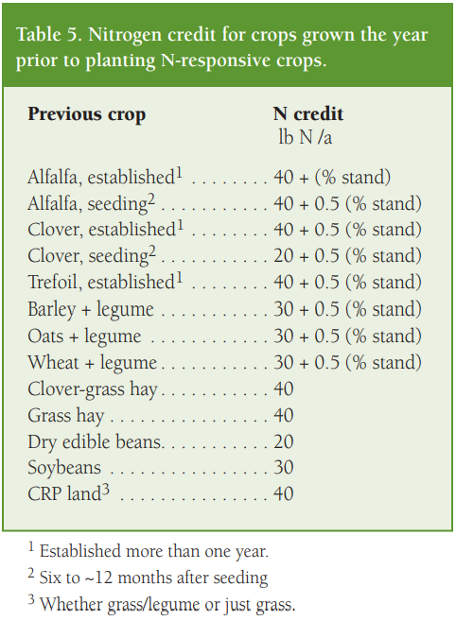
Step 5: | Nutrient Credit: Previous Crop |  |  |  |  |  |  |  |  |  | For use with Step 5 (per MSU Bulletin: E-2904)
 | Input nutrients being credited from legume crops planted in previous year.
 | (Select Below) |  | N | (Select Below) |  | N | (Select Below) |  | N
 | Select Previous Crop |  | 0 | Select Previous Crop |  | 0 | Select Previous Crop |  | 0

Step 6: | Total Nutrients Needed From Commercial Fertilizer
 | Nutrients still needed based on starting point of soil test recommendations or nutrient removal rates, minus any manure or nutrient credits.

 | Soil Test Based Recs |  |  | Soil Test Based Recs |  |  | Soil Test Based Recs
 | N | P | K | N | P | K | N | P | K
 | 0 | 0 | 0 | 0 | 0 | 0 | 0 | 0 | 0
 | S | Ca | Mag | S | Ca | Mag | S | Ca | Mag
 | 0 | 0 | 0 | 0 | 0 | 0 | 0 | 0 | 0
 | Z | B | Mn | Z | B | Mn | Z | B | Mn
 | 0 | 0 | 0 | 0 | 0 | 0 | 0 | 0 | 0
 | Cu | Mo | Fe | Cu | Mo | Fe | Cu | Mo | Fe
 | 0 | 0 | 0 | 0 | 0 | 0 | 0 | 0 | 0

 |  |  |  |  |  |  | Enter Farm Name

 | Use this information to help determine the amount of commercial fertilizer needed in the Fertilizer Plan tab.

Optimization
Optimizing Profitability
 |  | Budget Acres | Acres | Revenue Per Acre | Total Direct & Overhead Cost | Profit Per Acre
 |  |  | (Enter Below)
#1 | Select Crop | 100 | 100 | $0.00 | $0.00 | $0.00
#2 | Select Crop | 1 | 100 | $0.00 | $0.00 | $0.00
#3 | Select Crop | 1 | 100 | $0.00 | $0.00 | $0.00
 |  |  |  |  |  |  | Storage Capacity
 |  |  |  | (Enter Below) |  |  |  | Units Produced | Relationship to | Unit Holding Capacity
 | Minimum Costs to Cover | $0.00 | <= | $150,000.00 | ¬ Total Cost (goal) |  | Select Crop | 0 | <= | 9000
 | Minimum crop #1 acres | 100 | >= | 50 | ¬ Minimum crop #1 acres (goal) |  | Select Crop | 0 | <= | 10000
 | Minimum crop #2 acres | 100 | >= | 100 | ¬ Minimum crop #2 acres (goal) |  | Select Crop | 0 | <= | 9000
 | Minimum crop #3 acres | 100 | >= | 50 | ¬ Minimum crop #3 acres (goal)
 | Acres | 300 | = | 300 | ¬ Maximum acres allowed

 | Maximized Profit | $0 | ¬ Use Solver Function

 | Optimization Instructions |  |  |  |  |  | Optimization Instructions (w/ storage constraints)
 | 1. Enter the acres for consideration in the Optimizer in column D4:D6. The acres already on the Crop Budget (Main) tab have been provided for comparison. |  |  |  |  |  | 1. Note column J is calculated using the units input into Crop Budget (Main) multiplied by Column D4:D6

 | 2. Note the revenue per are is provided from the Crop Budget (Main) tab for all crops in column E. |  |  |  |  |  | 2. Column K indicates that the units produced must be less than or equal to the amount of storage on the farm
 | 3. Enter the minimum goal of acres for each crop in column E.
 | 4. Enter the total acres to be planted across all crops in column E. |  |  |  |  |  | 3. Follow #5 in the Optimization Instruction to open Solver
 | 5. Click on the Maximized Profit cell in C15 and run the Solver tool (click on Data on the top toolbar). Solver is pre-programmed, but can be reset using the photo below: |  |  |  |  |  | 4. Input the additional constraints of storage as shown below:
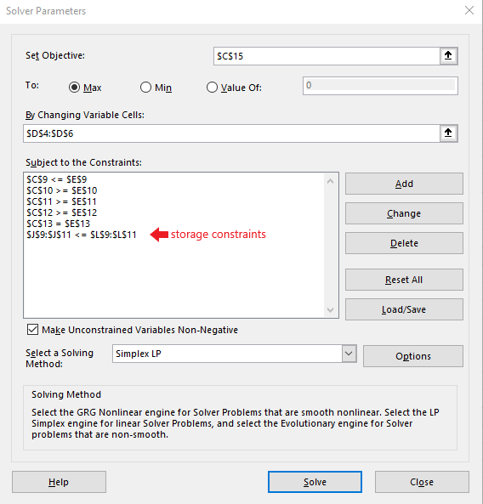
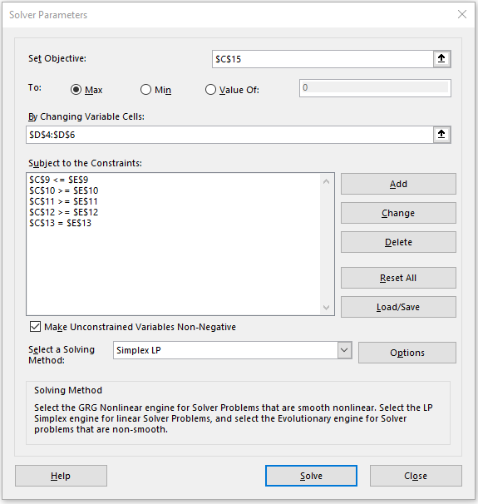

 |  |  |  |  |  |  | 5. After re-running Solver, the acres will be re-adjusted to maximize the profit of the combined crops.
 | 6. After running Solver, the acres will be re-adjusted to maximize the profit of the combined crops.

